SIMPLE DASHBOARD
INDIAN BATSMAN VS LEFT ARM FACE

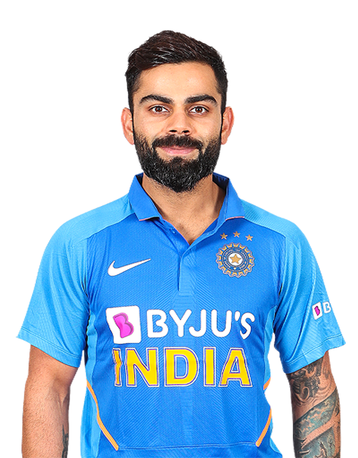

BATTING AVG
MS Dhoni | 24.77
Kedar Jadhav | 62
Rohit Sharma | 51.9
Shikhar Dhawan | 34.4
Virat Kohli | 100
Batting Average:
A players batting average is the total number of runs they scored divided by the number of ties they were out. Averages are usually represented in 2 dcimal places.

Left Arm Pace:
Pace bowlers or fast bowlers rely on speed to get a batsmen out. These type of bowlers can be further classified on the basis of average speed which they bowl. Most of them are Medium Fast t Fast in international level cricket.

DISMISALS
MS Dhoni | 9
Kedar Jadhav | 1
Rohit Sharma | 10
Shikhar Dhawan | 12
Virat Kohli | 5
Dismissals:
Dismissals is when the team player returns back to pavilion post playing his part. This can be because of wicket taken in multiple forms.

AD DATA
TOTAL RUNS
TOTAL RUNS
TOTAL RUNS
David Warner
Year | Mat | No | Runs | HS | Ave | BF | SR | 100 | 50 | 4s | 6s | CT | ST
2009 | 7 | 0 | 163 | 51 | 23 | 132 | 123.48 | 0 | 1 | 16 | 5 | 3 | 0
2010 | 11 | 1 | 282 | 107* | 28 | 191 | 147.64 | 1 | 1 | 27 | 14 | 8 | 0
2011 | 13 | 0 | 324 | 77 | 25 | 276 | 117.39 | 0 | 3 | 34 | 11 | 4 | 0
2012 | 8 | 1 | 256 | 109* | 37 | 156 | 164.1 | 1 | 1 | 28 | 14 | 1 | 0
2013 | 16 | 3 | 410 | 77 | 32 | 323 | 126.93 | 0 | 4 | 41 | 14 | 6 | 0
2014 | 14 | 3 | 528 | 90 | 48 | 375 | 140.8 | 0 | 6 | 39 | 24 | 8 | 0
2015 | 14 | 1 | 562 | 91 | 43 | 359 | 156.54 | 0 | 7 | 65 | 21 | 8 | 0
2016 | 17 | 3 | 848 | 93* | 61 | 560 | 151.42 | 0 | 9 | 88 | 31 | 4 | 0
2017 | 14 | 3 | 641 | 126 | 58 | 452 | 141.81 | 1 | 4 | 63 | 26 | 10 | 0
2019 | 12 | 2 | 692 | 100* | 69 | 481 | 143.86 | 1 | 8 | 57 | 21 | 2 | 0

Virat Kohli
Year | Mat | No | Runs | HS | Ave | BF | SR | 100 | 50 | 4s | 6s | CT | ST
2009 | 16 | 2 | 246 | 50 | 22 | 219 | 112.32 | 0 | 1 | 22 | 8 | 9 | 0
TOTAL AVG
TOTAL AVG
TOTAL AVG
2010 | 16 | 2 | 307 | 58 | 28 | 212 | 144.81 | 0 | 1 | 26 | 12 | 3 | 0
2011 | 16 | 4 | 557 | 71 | 46 | 460 | 121.08 | 0 | 4 | 55 | 16 | 7 | 0
2012 | 16 | 2 | 364 | 73* | 28 | 326 | 111.65 | 0 | 2 | 33 | 9 | 7 | 0
2013 | 16 | 2 | 634 | 99 | 45 | 457 | 138.73 | 0 | 6 | 64 | 22 | 7 | 0
2014 | 14 | 1 | 359 | 73 | 28 | 294 | 122.1 | 0 | 2 | 23 | 16 | 7 | 0
2015 | 16 | 5 | 505 | 82* | 46 | 386 | 130.82 | 0 | 3 | 35 | 23 | 7 | 0
2016 | 16 | 4 | 973 | 113 | 81 | 640 | 152.03 | 4 | 7 | 83 | 38 | 6 | 0
2017 | 10 | 0 | 308 | 64 | 31 | 252 | 122.22 | 0 | 4 | 23 | 11 | 6 | 0
2018 | 14 | 3 | 530 | 92* | 48 | 381 | 139.1 | 0 | 4 | 52 | 18 | 8 | 0
2019 | 14 | 0 | 464 | 100 | 33 | 328 | 141.46 | 1 | 2 | 46 | 13 | 5 | 0

Suresh Raina
Year | Mat | No | Runs | HS | Ave | BF | SR | 100 | 50 | 4s | 6s | CT | ST
2009 | 14 | 0 | 434 | 98 | 31 | 308 | 140.9 | 0 | 2 | 37 | 21 | 7 | 0
2010 | 16 | 5 | 520 | 83* | 47 | 364 | 142.85 | 0 | 4 | 45 | 22 | 10 | 0
2011 | 16 | 2 | 438 | 73* | 31 | 325 | 134.76 | 0 | 4 | 36 | 17 | 4 | 0
2012 | 19 | 1 | 441 | 73 | 26 | 325 | 135.69 | 0 | 1 | 36 | 19 | 11 | 0
TOTAL 4&6
TOTAL 4&6
TOTAL 4&6
2013 | 18 | 4 | 548 | 100* | 42 | 365 | 150.13 | 1 | 4 | 50 | 18 | 10 | 0
2014 | 16 | 3 | 523 | 87 | 40 | 358 | 146.08 | 0 | 5 | 51 | 19 | 11 | 0
2015 | 17 | 2 | 374 | 62 | 25 | 304 | 123.02 | 0 | 2 | 31 | 16 | 11 | 0
2016 | 15 | 1 | 399 | 75 | 29 | 312 | 127.88 | 0 | 3 | 39 | 10 | 7 | 0
2017 | 14 | 3 | 442 | 84 | 40 | 307 | 143.97 | 0 | 3 | 42 | 13 | 4 | 0
2018 | 15 | 3 | 445 | 75* | 37 | 336 | 132.44 | 0 | 4 | 46 | 12 | 9 | 0
2019 | 17 | 1 | 383 | 59 | 24 | 314 | 121.97 | 0 | 3 | 45 | 9 | 7 | 0

ADVANCED DASH

IPL PLAYERS PERFORMANCE

WARNER


TOTAL 4&6
 | 22 | 8
 | 26 | 12
 | 55 | 16
 | 33 | 9
 | 64 | 22
 | 23 | 16
 | 35 | 23
 | 83 | 38
 | 23 | 11
TOTAL RUNS
2009 | 246
2010 | 307
2011 | 557
2012 | 364
2013 | 634
2014 | 359
2015 | 505
2016 | 973
2017 | 308
TOTAL AVG
2009 | 22
2010 | 28
2011 | 46
2012 | 28
2013 | 45
2014 | 28
2015 | 46
2016 | 81
2017 | 31

RAINA

KOHLI

